Balance Sheet
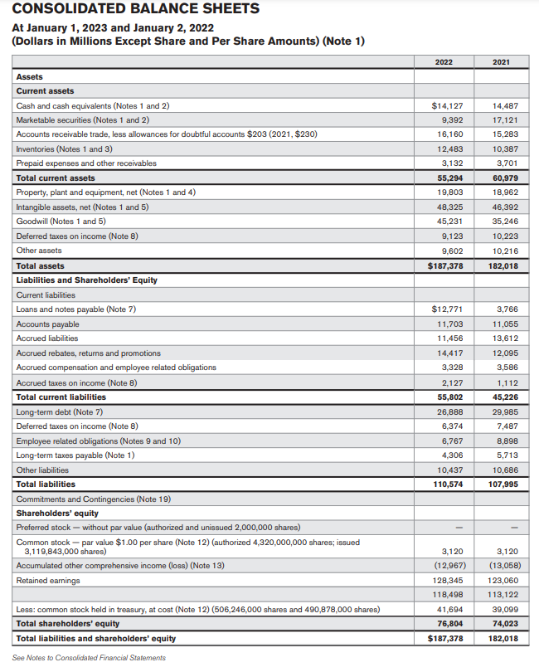

https://www.investor.jnj.com/asm/2022-annual-report

Dividend growth rate
Dividend Growth Model ==> P0 = D0*(1+g)/(R-g) = D1/(R-g)
 |  |  | Calculated
Current Stock Price = | P0 | 159.87 | -398.47366071
Current Dividend (2022) = | D0 | $4.45
Dividend in 2023 = | D1 | 4.46
Constant Growth Rate = | g | 0.0029
Annual Required Rate of Return(2022) = | R | -0.0083
P0​=D0​×(1+g)​/r−g
Where:
P0​ is the intrinsic value or fair price of the stock.
D0​ is the most recent dividend payment.
g is the expected dividend growth rate.
r is the required rate of return or the discount rate.
*Note ==> g < R, or stock price infinite

